First_Scenario
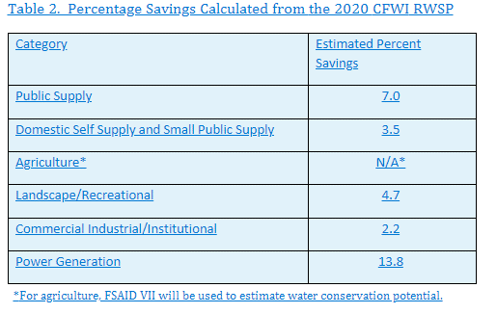
Table B-17. First Scenario of Potential Water Conservation for Region 1 of the St. Johns River Water Management District and the North Florida Regional Water Supply Planning Region of the Suwannee River Water Management District.
Category | District | Projected 2045 Water Demand | First Conservation Scenario
 |  |  | Percent Conservation | Projected 2045 Water Conservation
Public Supply | SJRWMD | 274.05 | 7.0% | 19.18
Public Supply | SRWMD | 13.83 | 7.0% | 0.97
Domestic Self-supply and Small Public Supply Systems | SJRWMD | 35.58 | 3.5% | 1.25
Domestic Self-supply and Small Public Supply Systems | SRWMD | 10.84 | 3.5% | 0.38
Agricultural Irrigation Self-supply | SJRWMD | 63.90 | N/A | 11.86 | **
Agricultural Irrigation Self-supply | SRWMD | 111.5 | N/A | 18.31 | **
Landscape / Recreational Self-supply | SJRWMD | 26.28 | 4.7% | 1.24
Landscape / Recreational Self-supply | SRWMD | 3.17 | 4.7% | 0.15
Commercial / Industrial / Institutional Self-supply | SJRWMD | 84.60 | 2.2% | 1.86
Commercial / Industrial / Institutional Self-supply | SRWMD | 46.80 | 2.2% | 1.03
Power Generation Self-supply | SJRWMD | 25.76 | 13.8% | 3.55
Power Generation Self-supply | SRWMD | 2.05 | 13.8% | 0.28
SJRWMD Region 1 Total |  | 510.17 | 31.0% | 38.94
SRWMD NFRWSP Total |  | 188.19 | 31.0% | 21.12
NFRWSP Total |  | 698.36 | 62.0% | 60.06
Notes:
1.) First Conservation Scenario - Percent of potential conservation for public supply, domestic self-supply, landscape/recreational self-supply, commercial/industrial/institutional self-supply, and power generation self-supply were based on the 2020 CFWI estimated percent savings.
2.) First Conservation Scenario - Agriculture is based on the Florida Department of Agriculture and Consumer Services Florida Statewide Agricultural Irrigation Demand VII Balmoral deliverable.
3.) Projected 2045 water demand and 2045 conservation potential are shown in million gallons per day.

Table B-17. First Scenario of Potential Water Conservation for the Western Planning Region of the Suwannee River Water Management District. |  |  |  |  |  |  | Interactive FSAID Power BI Conservation Slide 5
Category | District | Projected 2045 Water Demand | First Conservation Scenario |  |  | ** | https://app.powerbi.com/view?r=eyJrIjoiNzBkZmI0YjYtYThjYi00OWY0LTllZjgtNTk1NTNjNjRmYTMxIiwidCI6ImNkZjIwZmQ4LTUzYzgtNDA5ZC1hZDViLTM4NDVmNjJiYWY2ZCIsImMiOjJ9
 |  |  | Percent Conservation | Projected 2045 Water Conservation
Public Supply | SRWMD | 5.08 | 7.0% | 0.36
Domestic Self-supply and Small Public Supply Systems | SRWMD | 4.49 | 3.5% | 0.16
Agricultural Irrigation Self-supply | SRWMD | 74.27 | N/A | 11.79 | **
Landscape / Recreational Self-supply | SRWMD | 1.22 | 4.7% | 0.06
Commercial / Industrial / Institutional Self-supply | SRWMD | 41.75 | 2.2% | 0.92
Power Generation Self-supply | SRWMD | 0.00 | 13.8% | 0.00
SRWMD Western Planning Region Total |  | 126.81 | 31.2% | 13.28
Notes:
1.) First Conservation Scenario - Percent of potential conservation for public supply, domestic self-supply, landscape/recreational self-supply, commercial/industrial/institutional self-supply, and power generation self-supply were based on the 2020 CFWI estimated percent savings.
2.) First Conservation Scenario - Agriculture is based on the Florida Department of Agriculture and Consumer Services Florida Statewide Agricultural Irrigation Demand VII Balmoral deliverable.
3.) Projected 2045 water demand and 2045 conservation potential are shown in million gallons per day.

